5V
LM3150MHX/NOPB Calculator |  |  | https://datasheet.lcsc.com/lcsc/1806151712_Texas-Instruments-LM3150MHX-NOPB_C48112.pdf
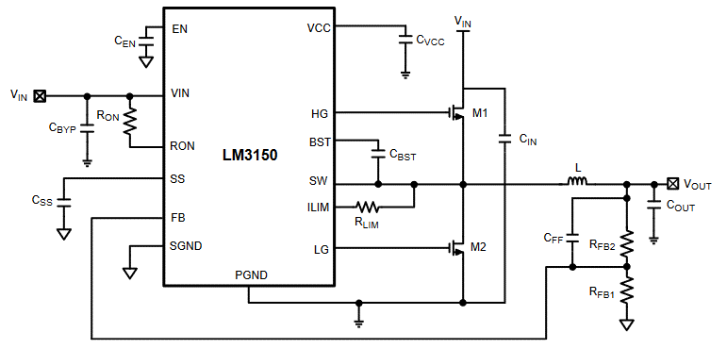
0. Constants:
Vfb | 0.6 | V

1. Conditions:
Vout | 5 | V
Vinmin | 6 | V
Vintyp | 12 | V
Vinmax | 16 | V
Ityp | 10 | A
Imax | 12 | A
Tss | 0.000005 | s | 5 | ms
Vripple | 5 | % | 0.05

2. FB Resistors:
Rfb1 | 10100 | Ohm | 10.1 | kOhm
Rfb2 (calc) | 74066.666667 | Ohm | 74.066666667 | kOhm | 2% | 72585.333333 | 75548
Rfb2 | 75000 | Ohm | 75 | kOhm
Vout_f (calc) | 5.0554455446 | V

3. Ron and Fs
Dmin (calc) | 0.3125
Dtyp (calc) | 0.41666666667
Dmax (calc) | 0.83333333333
Fsmax (calc) | 1562500 | Hz
Toff (calc) | 1.0666666667E-07 | s | 1.0666666667 | ms
Fs (calc) | 543478.26087 | Hz | 10% | 489130.43478 | 597826.08696
Fs | 500000 | Hz | 500 | kHz
Rond (calc) | -4278 | Ohm | -4.278 | kOhm
Ron (calc) | 87388.666667 | Ohm | 87.388666667 | kOhm

4. Inductor
ET (calc) | 0.000006875 | V*s | 6.875 | V*us

5. C Output
Irmsco (calc) | 1.0392304845 | A | 5% | 0.98726896031 | 1.0911920088
Ton (calc) | 8.3333333333E-07 | s | 833.33333333 | ns
Comin (calc) | 0.0001696969697 | F | 169.6969697 | uF
ESRmax (calc) | 2.0521223452 | Ohm | 2052.1223452 | mOhm | ???
ESRmin (calc) | ???

6. C Feed-Forward
Cff (calc) | 1.8723872387E-10 | F | 187.23872387 | pF

7. MOSFET & Rlim
Vds > (calc) | 19.2 | V
7.1. Hi-Side |  |  | NCE3050K
Rds(on) | 0.008 | Ohm
Vcc | 6 | V
Vth | 1.6 | V
Tch | 150 | °C
θja | 30 | °C/W
Pcond (calc) | 0.33333333333 | W
Psw (calc) | 0.27818181818 | W
Pdh (calc) | 0.61151515152 | W
Pdmax (calc) | 5 | W
7.2. Low-Side
Rds(on) | 0.008 | Ohm
Vcc | 6 | V
Vth | 1.6 | V
Tch | 150 | °C
θja | 30 | °C/W
Pdl (calc) | 0.46666666667 | W
Rlim (calc) | ???

8. C Input
ΔVin-max (calc) | 0.6
Cin (calc) | 8.1018518519E-06 | F | 8.1018518519 | uF

9. C Soft-Start
Vref | 0.6 | V
Iss | 7.70E-06 | A | 7.7 | uA
Css (calc) | -6.4166666667E-11 | F | -6.4166666667E-05 | uF | ???

